Layout
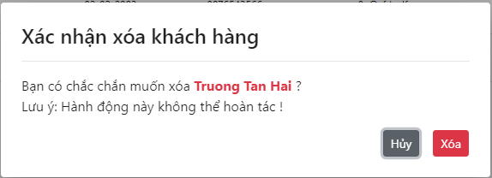
6.2.2 Màn hình thêm mới lớp
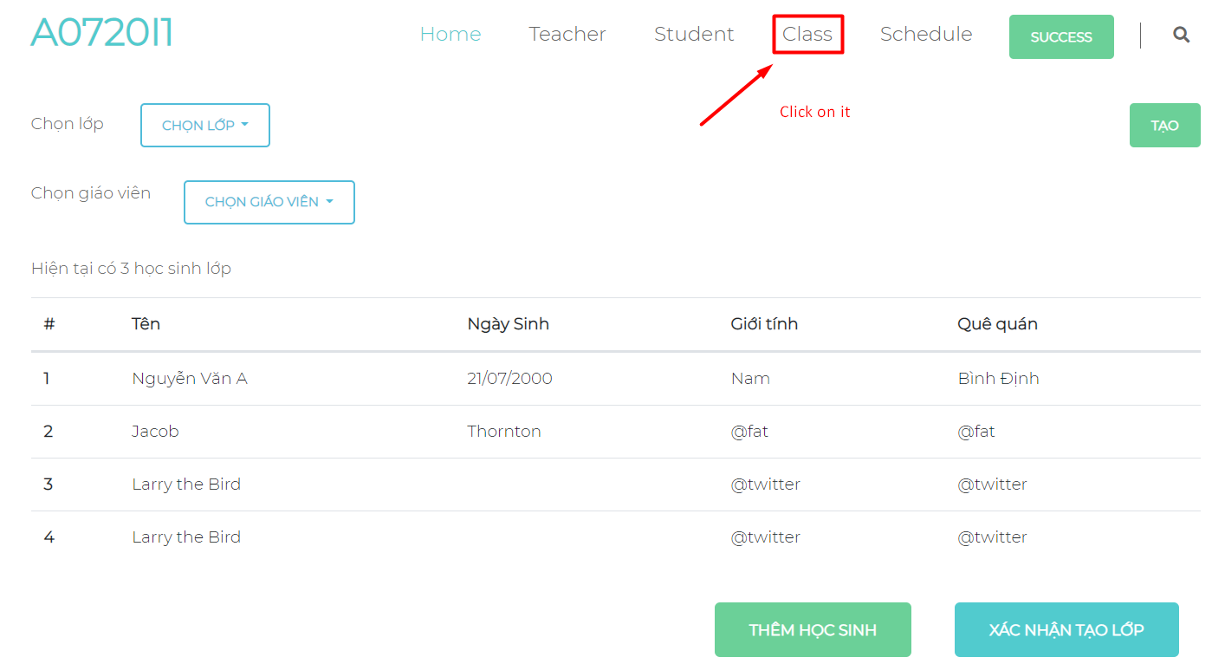

6.3.1.2 Màn hình xóa khách hàng

